MAX 1
A pizza outlet produces Veg Pizzas and Non-Veg Pizzas. Both types require cheese, vegetables, and meat as ingredients. The availability of ingredients is limited.
Each Veg Pizza requires 100 g of cheese and 150 g of vegetables.
Each Non-Veg Pizza requires 120 g of cheese, 80 g of vegetables, and 100 g of meat.
The outlet has 12 kg of cheese, 9 kg of vegetables, and 4 kg of meat available per day.
The profit earned is:
₹120 per Veg Pizza
₹180 per Non-Veg Pizza
Assuming that all pizzas produced are sold, formulate a Linear Programming model to determine how many veg and non-veg pizzas should be produced daily to maximize profit.
 | 12000 | 9000 | 4000
 | cheese | veggies | meat | QTY | PROFIT
veg | 100 | 150 | 0 | 38 | 120
non_veg | 120 | 80 | 100 | 40 | 180

 |  |  |  | MODEL |  | AVAILABLE
TOTAL CHEESE UTILIZATION |  |  |  | 8600 | <= | 12000
TOTAL VEGITABLE UTILIZATION |  |  |  | 8900 | <= | 9000
TOTAL MEAT UTILIZATION |  |  |  | 4000 | <= | 4000

OBJECTIVE PROFIT
MAXIMIZE PROFIT |  |  | 11760

MATHEMATICAL EQUATIONS
Decision Variables
 | X | = number of veg pizzas
 | Y | = number of non-veg pizzas

Objective Function
 | Maximize | Z = 120*X+ 180*Y

Constraints
 | Cheese: | 100X +120Y <= 12000
 | Veggies | 150X + 80Y <= 9000
 | Meat | 100Y <= 4000
 | Non Negative Constraints
 |  | X >= 0
 |  | Y >= 0
 | Integer Constraints
 |  | X,Y are integers

MAX 2
A digital marketing agency offers Social Media Campaigns and Google Ad Campaigns to its clients. Both services require creative hours and ad management hours. The agency has limited resources per week.
Each Social Media Campaign requires
3 hours of creative work
2 hours of ad management
Profit of ₹4,000 per campaign
Each Google Ad Campaign requires
2 hours of creative work
4 hours of ad management
Profit of ₹5,000 per campaign
The agency has 60 creative hours and 80 ad management hours available per week.
Assuming all campaigns sold generate profit, formulate a Linear Programming model to maximize weekly profit.
 | 60 | 80
 | CREATIVE | AD MGMT | QTY | PROFIT
SOCIAL MEDIA | 3 | 2 | 10 | 4000
GOOGLE AD | 2 | 4 | 15 | 5000

OBJECTIVE FUNCTION |  | MAXIMIZE PROFIT |  | 115000

CONSTRAINTS |  | MODEL |  | AVAILABLE
CREATIVE HOURS |  | 60 | <= | 60
AD HOURS |  | 80 | <= | 80

DECISION VARIABLES

 | NUMBER OF SOCIAL MEDIA CAMPAIGNS = X
 | NUMBER OF GOOGLE AD CAMPAIGNS = Y

OBJECTIVE FUNCTION

 | MAXIMIZE PROFIT: Z = 4000X + 5000Y

CONSTRAINTS

 | CREATIVE HOURS: |  | 3X + 2Y <= 60
 | AD MGMT HOURS: |  | 2X + 4Y <= 80

 | NON NEGATIVITY CONSTRAINTS
 | X >= 0
 | Y >= 0

 | INTEGER CONSTRAINT
 | X, Y ARE INTEGERS

MAX 3
A premium bar serves the following industry-recognized whiskey cocktails during an evening service:
Whiskey Sour, Whiskey Highball, Old Fashioned
Each cocktail requires whiskey, mixers, and bartender time. The bar has limited resources for the evening, as given below.
A Whiskey Sour requires 60 ml of whiskey, 40 ml of lemon juice and sugar syrup (mixer), and 3 minutes of bartender time. It yields a profit of ₹420 per glass.
A Whiskey Highball requires 60 ml of whiskey, 150 ml of soda (mixer), and 2 minutes of bartender time. It yields a profit of ₹300 per glass.
An Old Fashioned requires 60 ml of whiskey, 10 ml of sugar syrup (mixer), and 4 minutes of bartender time. It yields a profit of ₹480 per glass.
The bar has 6,000 ml of whiskey, 12,000 ml of mixers (including soda, lemon juice, and sugar syrup), and 300 minutes of bartender time available for the evening.
Assuming that all cocktails prepared are sold:
(a) Define suitable decision variables. (b) Formulate a Linear Programming Problem (LPP) to maximize total profit subject to the above constraints.
 | 6000 | 12000 | 300
 | WHISKEY | MIXER | TIME | QTY | PROFIT
SOUR | 60 | 40 | 3 | 100 | 420
HIGHBALL | 60 | 150 | 2 | 0 | 300
OLDFASHIONED | 60 | 10 | 4 | 0 | 480

OBJECTIVE FUNCTION
 | MAXIMIZE | 42000

CONSTRAINTS
 | WHISKEY | 6000 | <= | 6000
 | MIXER | 4000 | <= | 12000
 | TIME | 300 | <= | 300

MATHEMATICAL FORMULATION

DECISION VARIABLES
 | NUMBER OF SOUR = X
 | NUMBER OF HIGHBALL = Y
 | NUMBER OF OLDFASHIONED = Z

OBJECTIVE FUNCTION
 | MAXIMIZE PROFIT: Z = 420X + 300Y + 480Z

CONSTRAINTS
 | WHISKEY | 60X +60Y + 60Z <= 6000
 | MIXER | 48X+ 150Y + 10Z <= 12000
 | TIME | 3X + 2Y + 4Z <= 300

 | NON NEGATIVE CONSTRAINT
 | X >= 0
 | Y >= 0
 | Z >= 0

 | INTEGER CONSTRAINT
 | X,Y,Z ARE INTEGERS

BIN MAX
KNAP SACK PROBLEM: SELECTION UNDER CAPACITY CONSTRAINTS
A subscription-based digital service is facing rising customer churn and wants to prioritize retention features for the upcoming development cycle. Management has shortlisted four product features: personalized offers, faster onboarding, loyalty rewards, and proactive churn alerts. Each feature must be either fully implemented or not implemented at all, since partial rollout does not yield measurable retention benefits. Based on historical data and survival analysis, the analytics team has estimated the probability of improving customer retention associated with each feature. At the same time, the engineering team has a strict capacity limit of 90 total work hours for the cycle. Implementing personalized offers requires 40 hours and is expected to increase retention probability by 0.09; faster onboarding requires 30 hours with an estimated retention probability of 0.06; loyalty rewards require 50 hours with an estimated retention probability of 0.08; and proactive churn alerts require 20 hours with an estimated retention probability of 0.05. The decision problem is to select a binary combination of features that maximizes the overall expected retention probability without exceeding the 90-hour constraint.

 |  | Prob | hours |  | SELECT
 | Personalized Offers | 0.09 | 40 |  | 1
 | Faster Onboarding | 0.06 | 30 |  | 1
 | Loyalty Rewards | 0.08 | 50 |  | 0
 | Practive Churn Alerts | 0.05 | 20 |  | 1

 |  | OBJECTIVE FUNCTION
 |  |  |  | MAXIMIZE |  | 0.2

 |  | CONSTRAINTS

 |  |  |  | MODEL |  | AVAILABLE
 |  | TOTAL HOURS |  | 90 | <= | 90

BIN MIN 4
 | COVERAGE PROBLEM
Binary Covering Problem (Maximum Coverage)
A municipal corporation wants to place public Wi-Fi hotspots to maximize area coverage. Each wifi spot can serve all immedite adjecent location. The decision problem is to choose which hotspot locations to activate (binary decisions) so that the maximum number of neighborhoods are covered, subject to the limit on the number of installations.

 | A |  | B |  | C |  | D

 | E |  | F |  | G |  | H

 | I |  | J |  | K |  | L

 |  | A | B | C | D | E | F | G | H | I | J | K | L |  | INSTALL
 | A | 1 | 1 | 0 | 0 | 1 | 1 | 0 | 0 | 0 | 0 | 0 | 0 |  | 1
Variants: | B | 1 | 1 | 1 | 0 | 1 | 1 | 1 | 0 | 0 | 0 | 0 | 0 |  | 1
Each location should be served by atleast 2 wifi spots | C | 0 | 1 | 1 | 1 | 0 | 1 | 1 | 1 | 0 | 0 | 0 | 0 |  | 0
Each location should be served by atleast 3 wifi spots | D | 0 | 0 | 1 | 1 | 0 | 0 | 1 | 1 | 0 | 0 | 0 | 0 |  | 0
Location L is a jail, min number of wifi spots without serving L | E | 1 | 1 | 0 | 0 | 1 | 1 | 0 | 0 | 1 | 1 | 0 | 0 |  | 0
 | F | 1 | 1 | 1 | 0 | 1 | 1 | 1 | 0 | 1 | 1 | 1 | 0 |  | 0
 | G | 0 | 1 | 1 | 1 | 0 | 1 | 1 | 1 | 0 | 1 | 1 | 1 |  | 0
 | H | 0 | 0 | 1 | 1 | 0 | 0 | 1 | 1 | 0 | 0 | 1 | 1 |  | 0
 | I | 0 | 0 | 0 | 0 | 1 | 1 | 0 | 0 | 1 | 1 | 0 | 0 |  | 0
 | J | 0 | 0 | 0 | 0 | 1 | 1 | 1 | 0 | 1 | 1 | 1 | 0 |  | 0
 | K | 0 | 0 | 0 | 0 | 0 | 1 | 1 | 1 | 0 | 1 | 1 | 1 |  | 0
 | L | 0 | 0 | 0 | 0 | 0 | 0 | 1 | 1 | 0 | 0 | 1 | 1 |  | 0

 | MINIMIZE | 2

 | S/ T Constraints |  |  |  |  |  |  |  |  |  |  |  |  | S/T Constraints
 |  | A | B | C | D | E | F | G | H | I | J | K | L
 | MODEL | 2 | 2 | 1 | 0 | 2 | 2 | 1 | 0 | 0 | 0 | 0 | 0

 | REQJUIRED | 2 | 2 | 2 | 2 | 2 | 2 | 2 | 2 | 2 | 2 | 2 | 2

TS
A company has two factories, F1 and F2, supplying goods to two markets, M1 and M2. Factory F1 has a supply of 30 units and Factory F2 has a supply of 20 units. Market M1 requires 25 units and Market M2 requires 25 units. Goods may be shipped directly from factories to markets or via a warehouse W, which acts only as a transshipment point and has no supply or demand of its own. The transportation cost per unit is ₹4 from F1 to W and ₹6 from F2 to W. From W to M1 and M2, the costs are ₹3 and ₹5 per unit respectively. Direct shipment costs are ₹10 from F1 to M1, ₹12 from F1 to M2, ₹11 from F2 to M1, and ₹9 from F2 to M2. The problem is to determine the optimal shipping plan that minimizes the total transportation cost while satisfying all supply and demand requirements.

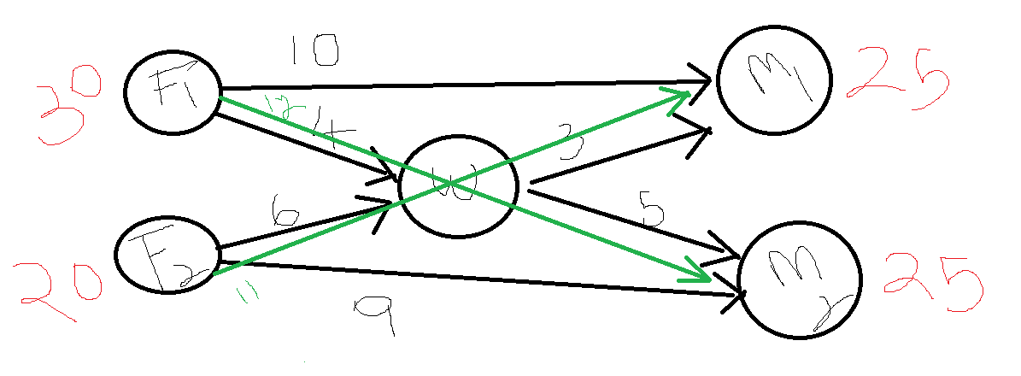
 |  | COST MATRIX
 |  |  | 25 | 25
 |  |  | M1 | M2 | W
 | 30 | F1 | 10 | 12 | 4
 | 20 | F2 | 11 | 9 | 6
 |  | W | 3 | 5

 |  | ALLOCATION MATRIX
 |  |  | M1 | M2 | W
 |  | F1 | 0 | 0 | 30
 | Minimize total cost of transportation | F2 | 0 | 20 | 0
 |  | W | 25 | 5 | 0

 |  | TOTAL COST OF TRANSPORTANTION |  |  |  | 400

 | CONSTRAINTS
 |  | 1. F1 CAN DISTRIBUTE UPTO 30 UNITS |  |  |  | 30 | <= | 30
 |  | 2. F2 CAN DISTRIBUTE UPTO 20 UNITS |  |  |  | 20 | <= | 20
 |  | M1 SHOULD GET 25 OR MORE |  |  |  | 25 | >= | 25
 |  | M2 SHOULD GET 25 OR MORE |  |  |  | 25 | >= | 25
 |  | WAREHOUSE INPUT = WAREHOUSE OUTPUT |  |  |  | 30 | = | 30

TSM

 | 0 | 1 | 2 | 3 | 4 | 5 | 6
0 | 0 | 360 | 1700 | 1500 | 1750 | 40 | 700 |  |  | 0 | Anantapuram
1 | 360 | 0 | 1500 | 1300 | 1550 | 400 | 800 |  |  | 1 | Hyderabad
2 | 1700 | 1500 | 0 | 260 | 70 | 1740 | 2200 |  |  | 2 | Patna
3 | 1500 | 1300 | 260 | 0 | 300 | 1540 | 2000 |  |  | 3 | Mirzapur
4 | 1750 | 1550 | 70 | 300 | 0 | 1790 | 2250 |  |  | 4 | Chapra
5 | 40 | 400 | 1740 | 1540 | 1790 | 0 | 720 |  |  | 5 | Dharmavaram
6 | 700 | 800 | 2200 | 2000 | 2250 | 720 | 0 |  |  | 6 | Calicut

 |  | Anantapuram | Patna | Chapra | Mirzapur | Hyderabad | Calicut | Dharmavaram | Anantapuram
 |  | 0 | 2 | 4 | 3 | 1 | 6 | 5 | 0
 |  | #NAME? | #NAME? | #NAME? | #NAME? | #NAME? | #NAME? | #NAME?

 | TOTAL DIST | #NAME?

tr 4
Cost Matrix
 |  | F1 | F2 | DC | W1 | W2
 | F1 |  | 200 | 400 | 900
 | F2 |  |  | 300
 | DC |  |  |  |  | 100
 | W1 |  |  |  |  | 300
 | W2 |  |  |  | 200

Transportation Matrix

 |  | F1 | F2 | DC | W1 | W2
 | F1 | 0 | 0 | 40 | 10 | 0
 | F2 | 0 | 0 | 40 | 0 | 0
 | DC | 0 | 0 | 0 | 0 | 80
 | W1 | 0 | 0 | 0 | 0 | 0
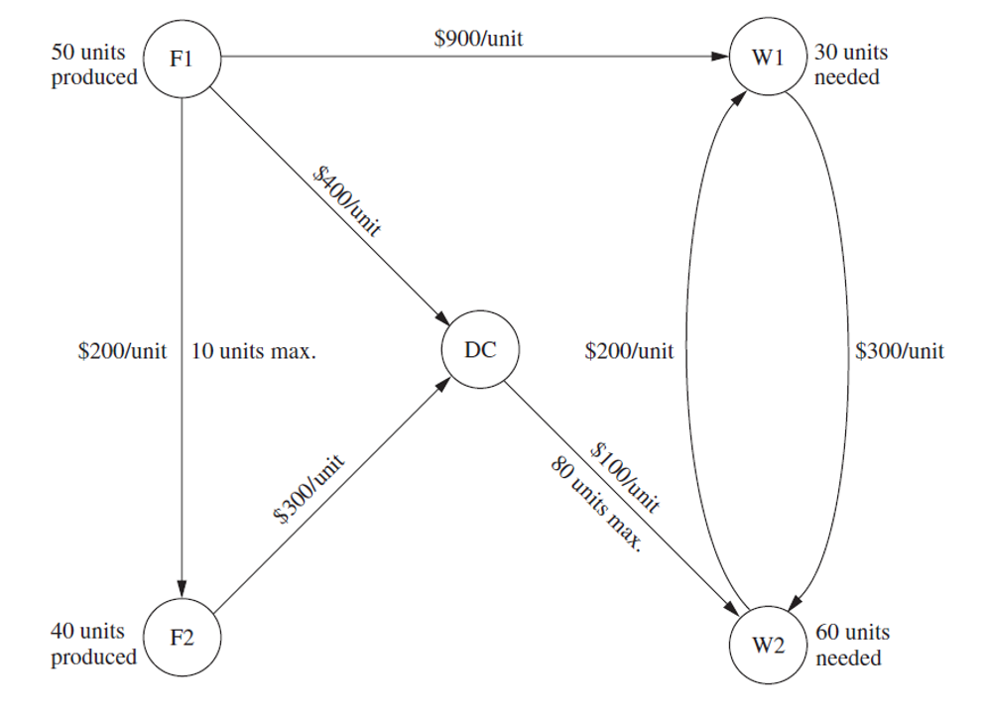
 | W2 | 0 | 0 | 0 | 20 | 0

 | Objective Function |  | 49000

 | S/T Constraints
 | path
 |  | f1->f2 | 0 | <= | 10
 |  | dc->w | 80 | <= | 80
 | outflow
 |  | f1-> | 50 | = | 50
 |  | f2-> | 40 | = | 40
 | inflow
 |  | dc in = dc out | 80 | = | 80
 |  | w1 | 30 | = | 30
 |  | w2 | 60 | = | 60

Internal q1 TS
A company operates two manufacturing plants—Plant A with a capacity of 120 units and Plant B with a capacity of 80 units—and must supply three markets: Market 1 (70 units demand), Market 2 (90 units demand), and Market 3 (40 units demand). Products cannot be shipped directly to the markets and must pass through one of two distribution centers, DC X or DC Y, which act as transshipment points with no supply or demand of their own (total inflow must equal total outflow at each DC). The per-unit transportation cost from Plant A to DC X is 4 and to DC Y is 6, while from Plant B to DC X is 5 and to DC Y is 3. From DC X to Market 1, 2, and 3 the costs are 3, 4, and 6 respectively; from DC Y to Market 1, 2, and 3 the costs are 5, 2, and 4 respectively. Formulate the problem graphically (5). Solve the Problem using Solver and write the answer in the booklet (5). Explain the solution graphically (5).
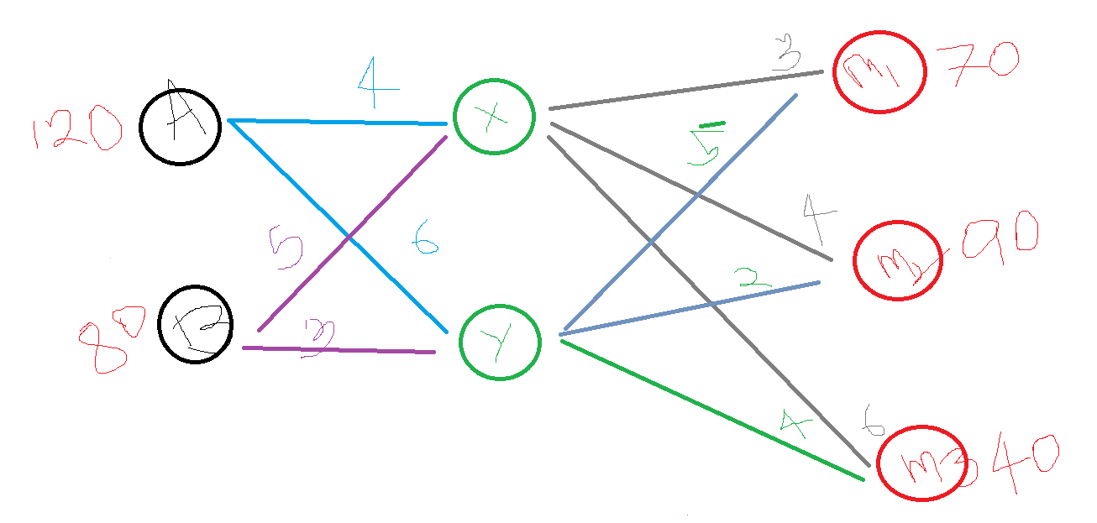

 |  | COST MATRIX |  |  |  |  | COST MATRIX
 |  |  | X | Y |  |  |  | M1 | M2 | M3
 |  | A | 4 | 6 |  |  | X | 3 | 4 | 6
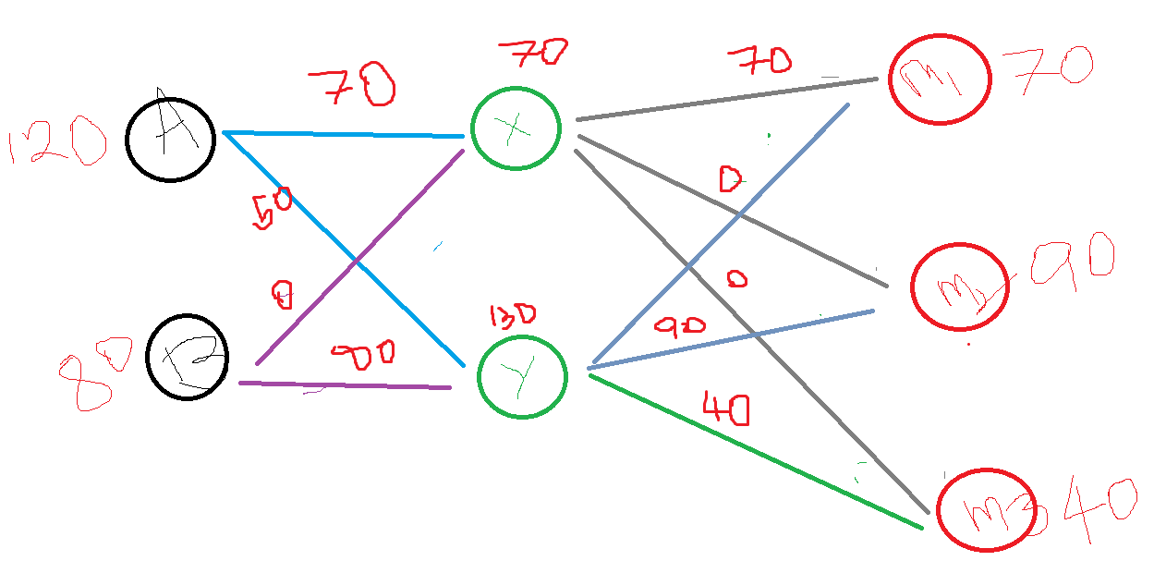
 |  | B | 5 | 3 |  |  | Y | 5 | 2 | 4

 |  | MOVEMENT MATRIX |  |  |  |  |  | MOVEMENT MATRIX
 |  |  |  |  |  |  |  | 70 | 90 | 40
 |  |  | X | Y |  |  |  | M1 | M2 | M3
 | 120 | A | 70 | 50 |  | 70 | X | 70 | 0 | 0
 | 80 | B | 0 | 80 |  | 130 | Y | 0 | 90 | 40

 |  | Objective Function
 |  | Minimize Total Cost

 |  |  |  | Part 1: Shipping from plant to warehouse |  |  |  |  |  | 820
 |  |  |  | Part 2: Shipping from warehouse to markets |  |  |  |  |  | 550

 |  |  |  | Total Cost |  |  |  |  |  | 1370

 |  |  |  | Constraints
 |  |  |  | Movement from Plants to Warehouses
 |  |  |  |  | Model |  | Required
 |  |  |  | Plant A | 120 | <= | 120
 |  |  |  | Plant B | 80 | <= | 80
 |  |  |  | Movement from Warehouse to Markets
 |  |  |  | M1 | 70 | >= | 70
 |  |  |  | M2 | 90 | >= | 90
 |  |  |  | M3 | 40 | >= | 40
 |  |  |  | Ware house Movements
 |  |  |  |  | INPUT |  | OUTPUT
 |  |  |  | X | 70 | = | 70
 |  |  |  | Y | 130 | = | 130

Internal q2 TR
 |  | Cost Matrix
An organization is undergoing strategic workforce reallocation following a capability audit. It is identified that Finance has 20 employees available for redeployment, Operations has 30 employees available, and Marketing has 25 employees available due to shifting workload patterns and automation gains. Simultaneously, Finance requires 15 additional employees with analytics expertise, Operations requires 35 employees for process improvement initiatives, and Marketing requires 25 employees to strengthen digital outreach. Employees can be transferred from any one department to another; however, employees released from a department cannot be reassigned back to the same department (self-allocation is not permitted). Each interdepartmental transfer requires retraining based on skill gaps: Finance → Operations = 18 hours, Finance → Marketing = 12 hours; Operations → Finance = 20 hours, Operations → Marketing = 15 hours; Marketing → Finance = 10 hours, Marketing → Operations = 14 hours. The HR director must determine the number of employees to transfer from each department to the others so that all departmental staffing requirements are satisfied without exceeding the available redeployable employees in any department, while minimizing the total retraining hours required. Explain the problem using a diagram (5 Marks) Solve the problem (5 Marks) Explain the solution using diagram (5 Marks) |  |  | 15 | 25 | 35
 |  |  | Finance | Marketing | Operations
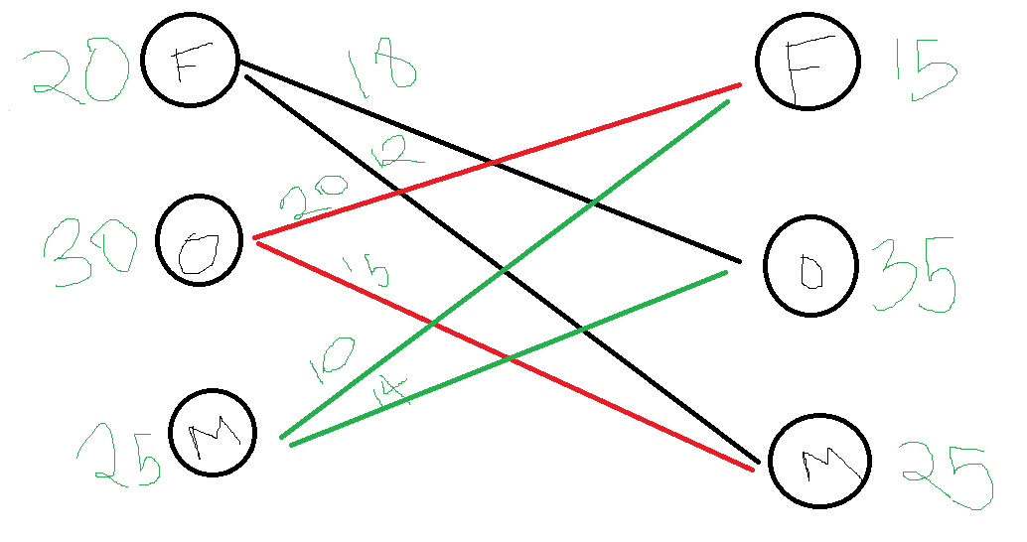
 | 20 | Finance | 1000 | 12 | 18
 | 25 | Marketing | 10 | 1000 | 14
 | 30 | Operations | 20 | 15 | 1000

 |  | Allocation Matrix

 |  |  | 15 | 25 | 35
 |  |  | Finance | Marketing | Operations
 | 20 | Finance | 0 | 0 | 20
 | 25 | Marketing | 10 | 0 | 15
 | 30 | Operations | 5 | 25 | 0

 |  | Objective Function
 |  | Minimize Training Hours |  | 1145
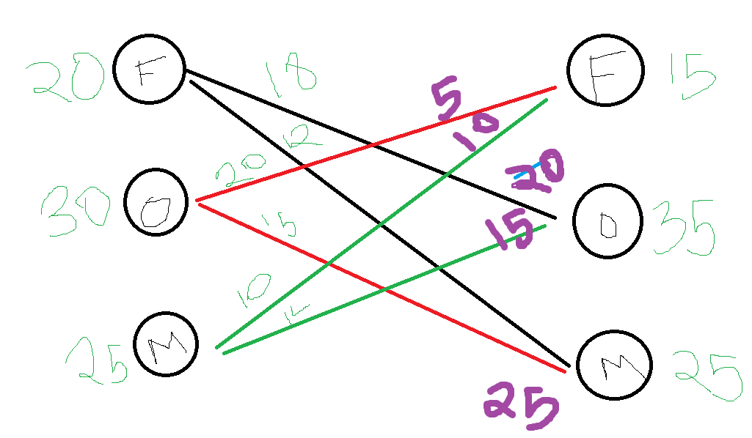
 |  | Constraints
 |  | Exit
 |  | Finance | 20 | <= | 20
 |  | Marketing | 25 | <= | 25
 |  | Operations | 30 | <= | 30

 |  | Entry
 |  | Finance | 15 | >= | 15
 |  | Marketing | 25 | >= | 25
 |  | Operations | 35 | >= | 35

job sch
JOB SCHEDULING PROBLEM

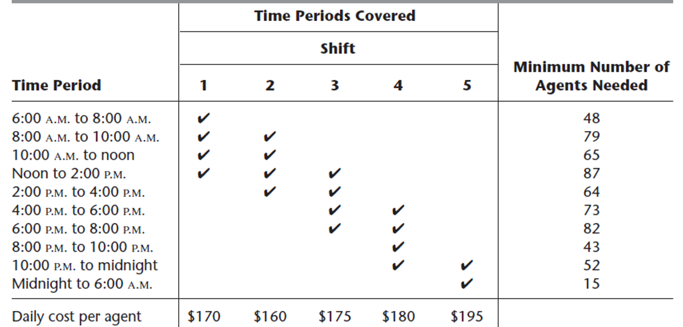
 |  | 1 | 2 | 3 | 4 | 5
 | SHIFTS | 48 | 31 | 39 | 43 | 15
 | 06:00-08:00 | 48 |  |  |  |  | 48
 | 08:00-10:00 | 48 | 31 |  |  |  | 79
 | 10:00-12:00 | 48 | 31 |  |  |  | 65
 | 12:00-02:00 | 48 | 31 | 39 |  |  | 87
 | 02:00-04:00 |  | 31 | 39 |  |  | 64
 | 04:00-06:00 |  |  | 39 | 43 |  | 73
 | 06:00-08:00 |  |  | 39 | 43 |  | 82
 | 08:00-10:00 |  |  |  | 43 |  | 43
 | 10:00-12:00 |  |  |  | 43 | 15 | 52
 | 12:00-06:00 |  |  |  |  | 15 | 15

 | Cost | 170 | 160 | 175 | 180 | 195

 | Objective Function
 | Minimize Total Cost |  |  | 30610

 | Constraints
 |  | 48 | >= | 48
 |  | 79 | >= | 79
 |  | 79 | >= | 65
 |  | 118 | >= | 87
 |  | 70 | >= | 64
 |  | 82 | >= | 73
 |  | 82 | >= | 82
 |  | 43 | >= | 43
 |  | 58 | >= | 52
 |  | 15 | >= | 15

